Eurostats format
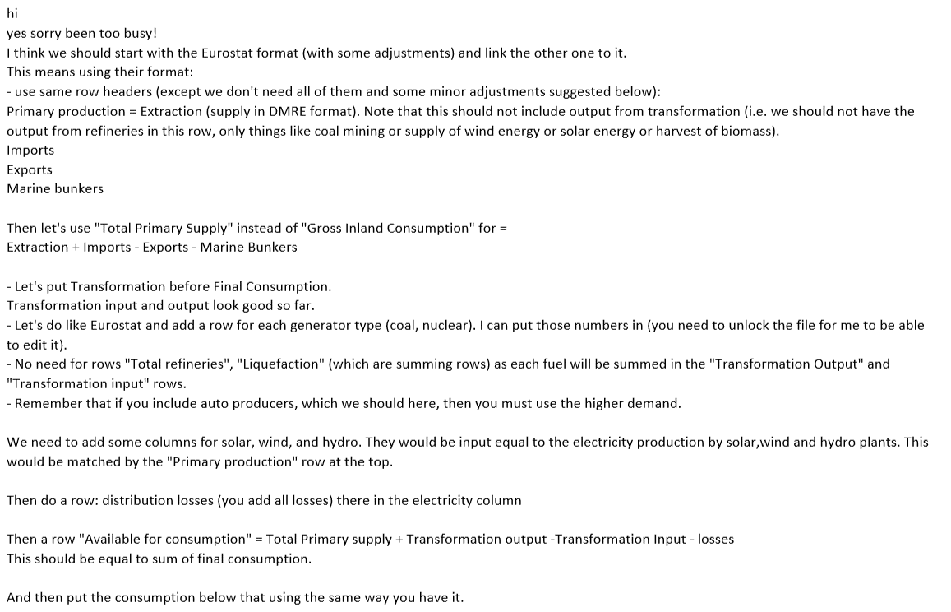
Fuel Type |  | Coal | Liquid fuel |  |  |  |  |  | Biomass |  |  |  |  |  |  |  |  | Electricity
 |  |  | Natural Gas | Diesel | Gasoline | LPG | Kerosene | HFO | Bagasse | Biodiesel | Bioethanol | Biogas | Biomass Other | Wood | Hydro | Solar | Wind
Units |  | PJ
Primary Production |  | 0 | 50.15 |  |  |  |  | 36.1769954 | 0 | 0 | 0 | 0 | 0 | 0 |  |  |  | 0.00
 | Extraction (Petro SA) | 0 | 25.57 | 0.00 | 0.00 | 0 | 0.00 | 0 | 0 | 0 | 0 | 0 | 0 | 0 |  |  |  | 0.00
 | ByProduct (Sasol CTL) | 0 | 24.58 | 0.00 | 0.00 | 0 | 0.00 | 0 | 0 | 0 | 0 | 0 | 0 | 0 |  |  |  | 0.00
Imports |  | 0 | 151.29 | 162.00 | 35.30 | 2.10 | 14.54 | -16.30 | 0 | 0 | 0 | 0 | 0 | 0 |  |  |  | 32.63
Exports |  | 1915.20 |  |  |  |  |  |  |  |  |  |  |  |  |  |  |  | 54.96
Marine Bunkers |  |  |  |  |  |  |  | 23.20
Total Primary Supply |  | -1915.20 | 201.44 | 463.80 | 382.00 | 2.1 | 118.81 | -3.32 | 0 | 0 | 0 | 0 | 0 | 0 |  |  |  | -22.33
Transformation Sector
Transformation Input |  | 3109.66 | 96.69 | 0.38 | 0 | 0 | 0.16 | 10.78 | 38430.00 | 0.00 | 0.00 | 0.00 | 8051.00 | 980.00 |  |  |  | 24.81
Power |  | 2284 |  | 0.38 | 0.00 | 0.00 |  | 9.43
Total Refineries |  |  | 28.64 | 0.00 | 0.00 | 0.00 | 0.16 | 1.35 |  |  |  |  |  |  |  |  |  | 4.23
Liquefaction |  | 825.66 | 68.05 |  |  |  |  |  |  |  |  |  |  |  |  |  |  | 20.58 | 20.58
AutoProd-Commerce
AutoProd-Pulp and Paper |  |  |  |  |  |  |  |  |  |  |  |  | 8051
AutoProd-Food and Bev |  |  |  |  |  |  |  |  | 38,430
AutoProd-Chemicals (Sasol) |  |  |  |  |  |  |  |  |  |  |  |  |  | 980
AutoProd-Synfuels (Sasol)
Transformation Output |  | 0 | 0 | 301.8 | 346.7 | 0 | 104.273 | 0 | 0 | 0 | 0 | 0 | 0 | 0 |  |  |  | 33.678
Grid Power
Coal Based
Nuclear
Diesel based
Hydro
Wind
Solar PV

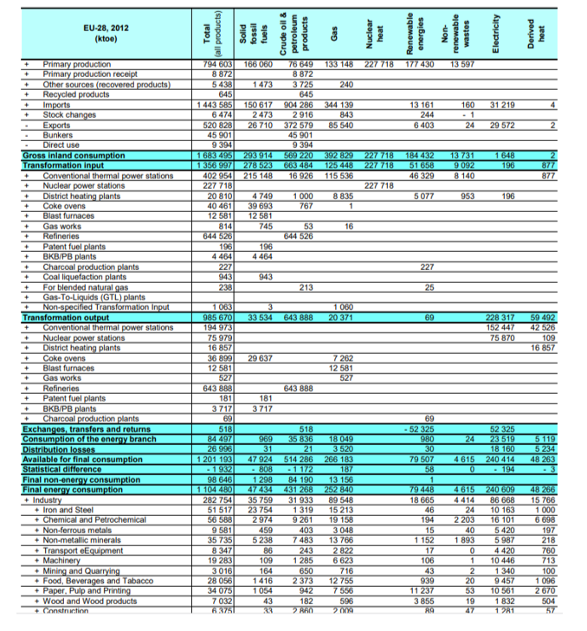
Total Refineries |  |  |  | 301.80 | 346.70 | 0 | 104.27
Liquefaction
AutoProd-Commerce
AutoProd-Pulp and Paper |  |  |  |  |  |  |  |  |  |  |  |  |  |  |  |  |  | 6.27
AutoProd-Food and Bev |  |  |  |  |  |  |  |  |  |  |  |  |  |  |  |  |  | 2.55
AutoProd-Chemicals (Sasol) |  |  |  |  |  |  |  |  |  |  |  |  |  |  |  |  |  | 8.47
AutoProd-Synfuels (Sasol) |  |  |  |  |  |  |  |  |  |  |  |  |  |  |  |  |  | 16.39
Distribution Losses |  |  |  |  |  |  |  |  |  |  |  |  |  |  |  |  |  | 110.48
Available for Consumption |  | -5024.86 | 104.75 | 765.22 | 728.70 | 2.10 | 222.92 | -14.10 | -38430.00 | 0.00 | 0.00 | 0.00 | -8051.00 | -980.00 |  |  |  | -123.95
Total Consumption (excl transformation) |  | 494.39 |  |  |  |  |  |  |  |  |  |  |  | 83.77
Industry Sector |  | 494.39 | 155.13 | 463.59 | 381.81 | 18.40 | 117.05 | 35.87 |  |  |  |  |  |  |  |  |  | 342.01
Chemicals33 |  | 33.30 | 50.38 | 0.00 | 0.00 | 0.00 | 0.00 | 3.92 |  |  |  |  |  |  |  |  |  | 35.83
 | Boilers (Combustion) Sasol |  | 0.91
 | Material Use Sasol (ex Ammonia) |  | 26.66
 | Boilers (Combustion) ex Sasol |  | 2.78
 | Material Use ex Sasol |  | 2.78
 | Ammonia Production |  | 10.90
 | Chemicals (Elc Gen) |  | 6.36
Iron and Steel |  | 80.41 | 15.93 | 0.02 | 0.00 | 3.00 | 0.00 | 0.00 |  |  |  |  |  |  |  |  |  | 17.40
Non-Ferrous Metals |  | 0.45 | 2.25 |  | 0 | 0 |  |  |  |  |  |  |  |  |  |  |  | 53.30
Non-Metallic Minerals |  | 48.92 | 15.50 | 0.01 | 0.00 | 0.00 | 0.01 | 0.00 |  |  |  |  |  |  |  |  |  | 5.87
Aluminium35220 |  | 0 | 0.00 | 0.00 | 0.00 | 2.34 | 0.00 | 0.00
FerroAlloys |  | 75.6 |  | 0.00 | 0.00 | 0.00 | 0.00 | 0.00 |  |  |  |  |  |  |  |  |  | 51.82
Transport Equipment |  |  | 0.67
Machinery |  |  | 1.41
Mining and Quarrying |  | 38.15 | 1.00 | 29.93 | 0.00 | 0.14 | 0.46 | 1.31 |  |  |  |  |  |  |  |  |  | 110.06
Food and Tobacco |  | 16.27 | 7.37 | 0.00 | 0.00 | 0.00 | 0.09 | 0.05 |  |  |  |  |  |  |  |  |  | 16.35
Paper Pulp and Print |  | 58.62 | 4.17 | 0.02 | 0.00 | 0.00 | 0.00 | 0.03 |  |  |  |  |  |  |  |  |  | 14.23
Wood and Wood Products |  |  | 0.00
Construction |  |  | 0.00 | 4.20 | 0.00 | 0.10 | 0.26 | 1.35
Textile and Leather |  |  | 0.01 | 0.07
Non-specified (Industry) |  | 101.64 | 4.60 |  | 0.00 | 0.56 | 0.55 | 0.46 |  |  |  |  |  |  |  |  |  | 23.18
Transport |  |  |  | 402.98 | 381.58 | 0.12 | 93.34 | 24.35 |  |  |  |  |  |  |  |  |  | 13.97
Road |  |  |  | 395.72 | 381.58 | 0.11 | 0.31 | 0.00
Air- International |  |  |  | 0.08 | 0.00 | 0.00 | 14.09 | 0.00
Air- Domestic |  |  |  | 0.00 | 0.00 | 0.00 | 78.94 | 0.00
Sea- International |  |  |  | 0.00 | 0.00 | 0.00 | 0.00 | 23.23
Sea- Domestic |  |  |  | 0.00 | 0.00 | 0.00 | 78.94 | 0.00
Rail |  |  |  | 6.47 | 0.00 | 0.00 | 0.00 | 0.00
Pipeline |  |  |  | 0.71 | 0.00 | 0.01 | 0.00 | 1.12
Other Sectors |  | 41.03 | 1.45 | 26.36 | 0.23 | 12.15 | 22.35 | 4.39
Agriculture |  | 0.8 | 0.00 | 23.25 | 0.00 | 0.00 | 9.40 | 0.00 |  |  |  |  |  |  |  |  |  | 20.58
Fishing |  |  |  | 2.02 | 0.23 | 0.00 | 0.85 | 1.65
Commerce and Public Services |  | 26.73 | 1.23 | 1.10 | 0.00 | 2.15 | 5.28 | 2.75 |  |  |  |  |  |  |  |  |  | 137.76 | 38.266518335
Residential |  | 13.5 | 0.22 | 0.00 | 0.00 | 10.00 | 6.83 | 0.00 |  |  |  |  |  |  |  |  |  | 169.83

